FLUSH PLANS
Flush Plan Costs

Mechanical Seal Flush Considerations

 | The initial system cost (Section 8 of INPUTS-OUTPUTS page) should include the cost of the controls as shown in the API versions of the Plan schematics below: a pressure indicator, check valve, gate valve, needle valve, heat exchanger, plus installation costs. A temperature indicator and flow indicator are optional.

 | Considerations for determining flush plan costs include: - flush may have to be heated (or cooled) downstream in the process unit - external flush may have to be removed from the pumpage downstream to restore process integrity - external flush may be less (or more) valuable than the pumpage

 | 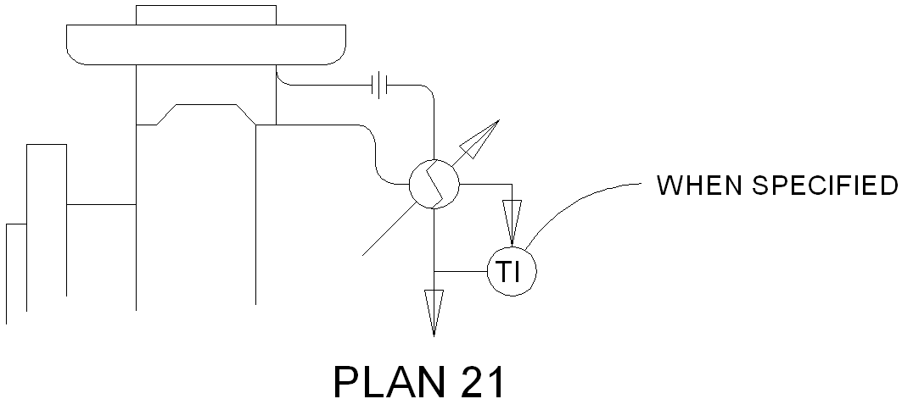

 | Plan 21 provides a cool flush to the seal faces by piping product from discharge through a heat exchanger. A benefit of this plan is the pressure drop is sufficient to provide good flow rates without the use of a circulation device. However, there are drawbacks as well. The Plan 21 uses more energy than the Plan 23 because the process fluid used to flush must be cooled, pumped back to discharge, and reheated back to its original temperature downstream. Also, cooler duty can be very high when the discharge to flush injection ΔT is large, which can cause fouling in water-cooled heat exchangers. This arrangement is typically recommended with a water-cooled heat exchanger.

 | 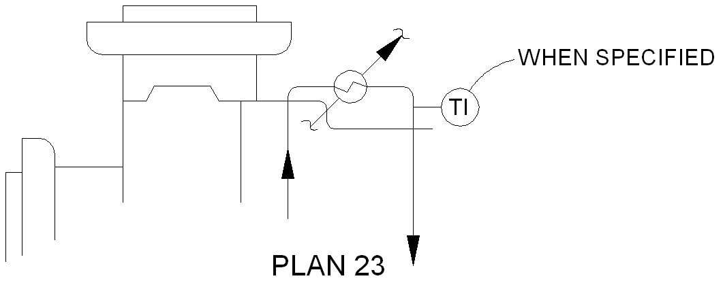

 | Plan 23 uses a throat bushing to isolate the seal chamber from the pumped process, and an internal circulation device to move the fluid through the heat exchanger and back to the seal chamber. Preventing the cooled fluid from entering the process results in higher efficiency than the Plan 21. Since the cooler duty is lower it will have a longer life, and can be smaller than its Plan 21 equivalent.

 | 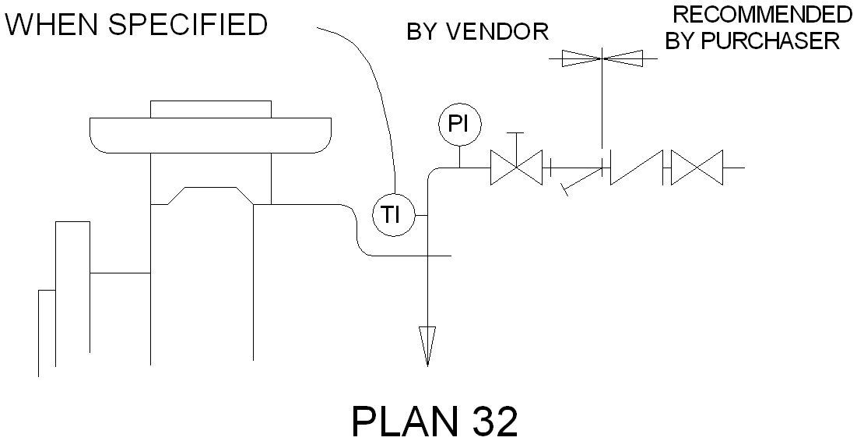

 | Plan 32 uses a cool, clean flush piped into the seal chamber from and external reservoir. The use of a throat bushing can help maintain elevated pressure in the seal chamber and isolate it from the process. Considerations unique to Plan 32 include diluent removal and flush fluid cost. The flush fluid must be selected for compatibility with the pumped fluid because it will enter the process. Depending on application requirements, the process fluid integrity may need to be restored. This is done by separating or boiling off the flush fluid, which requires a large amount of energy. Flush fluid cost can be the initial purchase cost, or the costs associated with the reclamation of separated diluent. For this reason, Plan 32 is not recommended for only cooling purposes.

Compression Packing Flush Considerations

External Flush
Packing Flush Fluid Flowrate
(Inputs/Outputs Page - Section 6)

Flush-to-Process Dilution
Proportion (%) of Flush Flowrate Entering Process
(Inputs/Outputs Page - Section 6)
Packing Leakage Rate
(Assumptions Page )

Flow-Thru Flush
Proportion of Flush Flow Remaining (Total Flowrate Less Leakage and Flush-to-Process Dilution)
(Treated as Effluent)

 | External Flush - The External Flush is brought into the stuffing box at a pressure higher than process and a flowrate appropriate to the arrangement and application.

 | Packing Leakage rate - Packing requires a minimum amount of leakage in order to operate without damage from friction and overheating. While the leakage rate is dependent on a number of factors including shaft size, packing size, number of rings, type of packing, process viscosity, packing gland adjustment, equipment condition, and the age of the packing, the generally accepted best practice is to adjust the packing gland to produce a leakage rate of 30 drops per minute.

 | Flow-thru Flush - In some applications the External Flush is allowed to leave the equipment through a second lantern ring connection fitted with a flow restrictor to maintain adequate pressure inside the packing. While this approach does reduce the amount of process dilution, the flow-thru rate can be quite high and must eventually be treated as effluent. THIS IS THE METHOD OF CALCULATION USED BY THE LCC CALCULATOR

 | Flush-to-Process Dilution - External Flush not accounted for as Packing Leakage or Flow-thru is assumed to be flowing into the process, resulting in Flush-to-Process Dilution. As discussed above, the costs associated with restoring the process to specification should be estimated and considered in Section 4 of INPUTS-OUTPUTS page.

ENERGY FOOTPRINT
 |  | Graph Data (carried over from other sheets)
Energy Footprint (per Annum) |  |  | Current Scenario | Scenario 1 | Scenario 2
 |  | Direct Power Consumption | 0.148 kW | 0.148 kW | 1.482 kW
 |  | Heat Soak | 3.014 kW | 7.556 kW | 0.000 kW
 | Current Scenario | Flush Cooling | 3.162 kW | 0.000 kW | 0.000 kW
 | Sgl/23 | Diluent Removal | 0.000 kW | 0.000 kW | 0.000 kW
 | Total Power Consumption: 6.324 kW | Miscellaneous | 0.000 kW | 0.000 kW | 0.000 kW

 | Scenario 1
 | Sgl/32
 | Total Power Consumption: 7.704 kW

 | Scenario 2
 | Packing
 | Total Power Consumption: 1.482 kW

OPERATING COSTS
 |  | Graph Data (carried over from other sheets)
Operating Costs (per Annum) |  |  | Current Scenario | Scenario 1 | Scenario 2
 |  | Flush | 0.00 | 459.90 | 26.28
 |  | Quench | 0.00 | 0.00 | 0.00
 | Current Scenario | Effluent | 0.00 | 0.00 | 2102.40
 | Sgl/23 | Cooling Water | 0.00 | 0.00 | 0.00
 | Total Annual Operating Cost: $ 11.57 | Nitrogen | 0.00 | 0.00 | 0.00
 |  | Product Loss | 11.57 | 11.57 | 161.99
 |  | Barrier Fluid | 0.00 | 0.00 | 0.00
 |  | Additional | 0.00 | 0.00 | 0.00

 | Scenario 1
 | Sgl/32
 | Total Annual Operating Cost: $ 471.47

 | Scenario 2
 | Packing
 | Total Annual Operating Cost: $2290.67

BUSHING FLOW
Bushing Flow Calculator

Bushing
Length

Pressure P₁

Pressure P₂

Bushing ID
Shaft OD

Shaft / Sleeve OD | 2 | inch

Bushing ID | 2.005 | inch

Bushing Length | 1 | inch

Differential Pressure (P1 - P2) | 15 | psi

Ambient Temperature | 68 | °F

Pumping Temperature | 100 | °F

Shaft Material | ALLOY C-276

Shaft Material Coefficient of Thermal Expansion | 6.30E-06 | in / in / °F

Bushing Material | CARBON

Bushing Material Coefficient of Thermal Expansion | 2.20E-06 | in / in / °F

Process Fluid Specific Gravity at Pumping Temperature | 1.000 | -

Process Fluid Kinematic Viscosity at Pumping Temperature | 1 | cSt

Radial Gap at Process Temperature | 0.0024 | inch

Flowrate Under Bushing | 0.19 | GPM

 | Flow is laminar @ 6.05 ft/s

 | Note: Units of measure can be changed in the "INPUTS-OUTPUTS" worksheet

